Sheet1
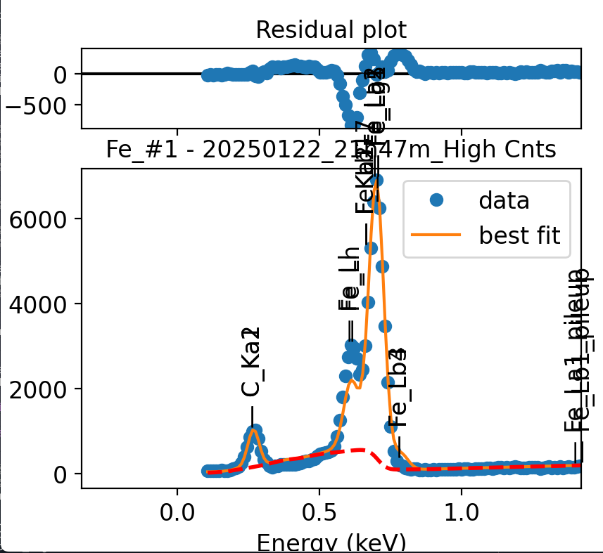
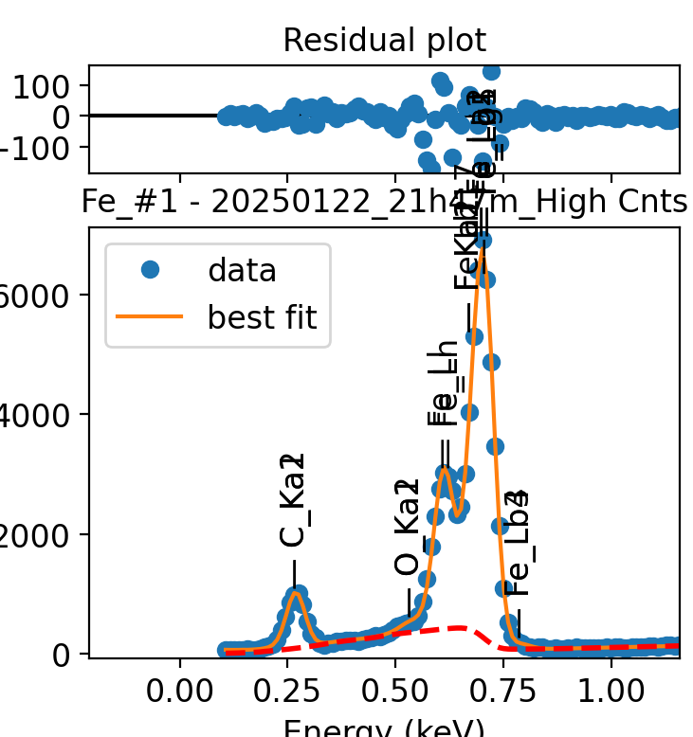
Weights calibrated measuring a pure Fe standard, bulk, polished
Area of all peaks is fitted
A constant shift is maintained across all peaks
Sigma is fixed for all peaks
Areas of peaks La2, Lb17 and Lg5 are fixed on original weights because strongly overlapping with La1

Fe |  | Meas 1 | Meas 2 | Meas 3 | Meas 4 | Meas 5 | Meas 6 | Meas 7 | Meas 8 | Meas 9 | Meas 10
La1 |  | 258.147 | 254.744 | 244.414 | 258.391 | 257.654 | 259.183 | 257.321 | 249.164 | 250.284 | 249.153
Ll |  | 94.071 | 99.613 | 110.24 | 87.595 | 96.97 | 87.755 | 95.448 | 96.955 | 102.783 | 106.828
Ln |  | 52.784 | 47.195 | 33.376 | 61.457 | 50.653 | 59.855 | 54.513 | 44.222 | 44.785 | 39.309
Lb3 |  | 0.004 | 4.146 | 0.003 | 2.136 | 0.003 | 2.142 | 2.022 | 6.65 | 2.01 | 1.993
Lb4 |  | 3.942 | 0.02 | 4.865 | 2.129 | 4.955 | 2.138 | 2.064 | 6.65 | 2.01 | 1.993

Line | Original w | Meas 1 | Meas 2 | Meas 3 | Meas 4 | Meas 5 | Meas 6 | Meas 7 | Meas 8 | Meas 9 | Meas 10 | Mean | Stdev | Er (%)
La1 | 1 | 1.0000 | 1.0000 | 1.0000 | 1.0000 | 1.0000 | 1.0000 | 1.0000 | 1.0000 | 1.0000 | 1.0000 | 1.0000
Ll | 2.47E-01 | 0.3644 | 0.3910 | 0.4510 | 0.3390 | 0.3764 | 0.3386 | 0.3709 | 0.3891 | 0.4107 | 0.4288 | 0.3860 | 0.0364 | 9.44
Ln | 8.90E-02 | 0.2045 | 0.1853 | 0.1366 | 0.2378 | 0.1966 | 0.2309 | 0.2118 | 0.1775 | 0.1789 | 0.1578 | 0.1918 | 0.0314 | 16.36
Ll + Ln | 0.336 | 0.5689 | 0.5763 | 0.5876 | 0.5768 | 0.5730 | 0.5695 | 0.5828 | 0.5666 | 0.5896 | 0.5865 | 0.5778 | 0.0084 | 1.46
Lb3 | 5.86E-02 | 0.0000 | 0.0163 | 0.0000 | 0.0083 | 0.0000 | 0.0083 | 0.0079 | 0.0267 | 0.0080 | 0.0080 | 0.0083 | 0.0082 | 98.54
Lb4 | 3.14E-02 | 0.0153 | 0.0001 | 0.0199 | 0.0082 | 0.0192 | 0.0082 | 0.0080 | 0.0267 | 0.0080 | 0.0080 | 0.0122 | 0.0079 | 64.74
Lb3 + Lb4 | 0.09 | 0.0153 | 0.0164 | 0.0199 | 0.0165 | 0.0192 | 0.0165 | 0.0159 | 0.0534 | 0.0161 | 0.0160 | 0.0205 | 0.0116 | 56.77

The fitting of peaks Lb3 + Lb4 varies, but their sum is more or less constant |  |  |  |  |  |  | The fitting of peaks Ll + Ln varies, but their sum is more or less constant
So we use the original ratios to diustribute the sum among the 2 peaks, giving: |  |  |  |  |  |  | So we use the original ratios to diustribute the sum among the 2 peaks, giving:

 | Lb3 | Lb4 | Sum |  |  |  |  | Ll | Ln | Sum
Original ratio | 0.6511 | 0.3489 |  |  |  |  | Original ratio | 0.7351 | 0.2649
Resulting weights: | 0.0134 | 0.0072 | 0.0205 |  |  |  | Resulting weights: | 0.4247 | 0.1530 | 0.5778

 |  | Without fixing the peaks above: |  |  |  |  |  |  |  |  | Fixing the peaks above:

